RHP_old
 |  | Old version -need to update RHP values
Length (m) | 14484.06 |  |  | 1 feet = | 0.3048 | m | Groundwater composition |  |  |  |  | MIDLOTHIAN 1 | STEWART 1 | COUSLAND 1 | COUSLAND 6 | CARRINGTON 1 | MONKTONHOUSE BORE 37 | SPLILMERSFORD | STRAITON1 | ESKMOUTH |  | Borehole name | Unit Thickness
Width (m) | 5632.69 |  |  | 1 mile = | 1.60934 | km |  |  |  |  | LOWER COAL MEASURES GROUP |  |  |  |  | 250 | 330 |  |  |  |  |  | LOWER COAL MEASURES GROUP | PASSAGE FM | UPPER LIMESTONE FM | LIMESTONE COAL | LOWER LIMESTONE FM | WEST LOTHIAN OIL SHALE | GULLANE | CLYDE PLATEAU VOLCANIC FM
Area (m2) | 81584219.921 |  |  |  |  |  |  |  |  |  | PASSAGE FM |  |  |  |  | 210 | 190 |  |  |  |  | CARRINGTON 1 | 250 | 210 | 165 | 175 | 85 | 492 | 307+
FORMATION | Volume (m3) | LITHOLOGY | PERCENTAGE | Volume (m3) | RHP µW/m3 | Density (kg/m3) | HPE | H (W/kg) | Concentration |  | UPPER LIMESTONE FM |  |  |  |  | 165 | 270 |  |  |  |  | COUSLAND 1 |  |  |  |  | 70 | 283 | 545+
Coal Measures | Dalkeith (full thickness) | Sandstone* | 35% | 7.14E+09 | 0.896 | 2400 | K | 3.40E-09 | 9.19E+00 | mg/L | LIMESTONE COAL |  |  |  |  | 175 | 207+ |  |  | 215 |  | COUSLAND 6 |  |  |  |  |  | 479 | 87+
 | 457.2 | Siltstone / Mudstone* | 60% | 1.22E+10 | 1.392 | 2400 | Th | 2.64E-05 | 9.00E-03 | µg/L | LOWER LIMESTONE FM | 55 | 50 | 70 |  | 85 |  |  |  | 16+ |  | ESKMOUTH |  |  |  | 215 | 16+
 |  | Limestone** | 0% | 0.00E+00 | 2.066 | 2789 | U | 9.83E-05 | 2.26E-01 | µg/L | WEST LOTHIAN OIL SHALE | 481 | 447 | 283 | 479 | 492 |  | 110 |  |  |  | MIDLOTHIAN 1 |  |  |  |  | 55 | 481 | 593+ | 70
 | Carrington-1: | Coal** | 5% | 1.02E+09 | 0.5 | 1200 | Al | 3.58E-01 | 1.80E+00 | µg/L | GULLANE | 593+ | 449+ | 545+ | 87+ | 307+ |  | 159 | 638+ |  |  | MONKTONHOUSE BORE 37 | 330 | 190 | 270 | 207+
Thickness (m): | 250 | Ironstone** | 1% | 2.04E+08 | 0.7 | 2650 | Fe | 3.65E-02 | 1.22E+03 | µg/L | CLYDE PLATEAU VOLCANIC FM | 70 |  |  |  |  |  |  |  |  |  | SPLILMERSFORD |  |  |  |  |  | 110 | 159
 |  |  |  |  |  |  | So4 |  | 2.36E+01 | mg/L | Thickness of the formation from boreholes in the Midlothian Coalfield |  |  |  |  |  |  |  |  |  |  | STEWART 1 |  |  |  |  | 50 | 447 | 449+
 | 20396054980 | AVERAGE RHP (µW/m3): | 1.181 | TOTAL RHP (W): | 2.4E+04 |  | A |  | 8.20E+00 | µW/m3 |  |  |  |  |  |  |  |  |  |  |  | STRAITON1 |  |  |  |  |  |  | 638+
Passage Formation |  | Sandstone* | 90% | 1.54E+10 | 0.896 | 2400
 |  | Siltstone / Mudstone* | 10% | 1.71E+09 | 1.392 | 2400 |  |  |  |  | BOREHOLE | DEPTH (ft) | SAMPLE No | Stratigraphy | Quartz | Plagioclases | K-feldspath | Mica | Kaolinite | Chlorite | Calcite | Ankerite / Fe dolomite | Siderite | Pyrite
 |  | Limestone** | 0% | 0 | 2.066 | 2789 |  |  |  |  | Kelty Bridge | 110 | SSK40294 | LLGS | 36.5 |  | <0.5 | 35.8 | 11.6 |  |  | 4.6 | 9.4 | 1.8
 | Carrington-1: | Coal** | 0% | 0 | 0.5 | 1200 |  |  |  |  | Airth-6 | 2836.5 | SSK40263 | LSC | 24.8 |  |  | 46.6 | 10.2 | 2 |  |  | 16.4
Thickness (m): | 210 | Ironstone** | 0% | 0 | 0.7 | 2650 |  |  |  |  |  | 3036.75 | SSK40301 |  | 23.4 |  |  | 39.5 | 27.7 | 1 |  |  | 8.7
 | 17132686183 | AVERAGE RHP (µW/m3): | 0.946 | TOTAL RHP (W): | 1.6E+04 |  | A |  |  |  |  | 3066 | SSK40262 |  | 10.9 |  |  | 42.5 | 28.5 | 3.6 |  |  | 14.5
Upper Limestone FM | in Lonhead (238 m) | Sandstone* | 35% | 1.21E+10 | 0.896 | 2400 | K | 3.40E-09 | 3.08E+00 | mg/L | Milton of Balgonie 3 | 3708 | SSK40268 | LLGS | 38.5 |  |  | 44.2 | 17.3
 | 165 | Siltstone / Mudstone* | 40% | 1.39E+10 | 1.392 | 2400 | Th | 2.64E-05 | 2.28E-03 | µg/L |  | 3760 | SSK40269 |  | 52.8 |  |  | 32.4 | 14.8
Limestone Coal | in Lonhead (320 m) | Limestone** | 20% | 6.93E+09 | 2.066 | 2789 | U | 9.83E-05 | 4.00E-02 | µg/L | Cousland 6 | 1429 | SSK40266 | WLO | 3702 |  | <0.5 | 40.6 | 17.3 | 2.9 |  |  | 1.8
Lower Limestone Fm | 175 | Coal** | 5% | 1.73E+09 | 0.5 | 1200 | Al | 3.58E-01 | 4.00E+00 | µg/L |  | 1908 | SSK40267 |  | 52.1 |  | <0.5 | 34 | 6.9 |  | 2.2 |  | 2.6
 | 85 | Ironstone** | 0% | 0 | 0.7 | 2650 | Fe | 3.65E-02 | 3.22E+02 | µg/L | Pumpherston 1 | 800 | SSK40272 | GUL | 27.4 | 2.2 |  | 54.1 | 8 | 8.1 | <0.5
 |  |  |  |  |  |  | SO4 |  | 4.85E+01 | mg/L |  | 1550 | SSK40302 |  | 32.6 |  |  | 55.6 | 8.7 | 2.9
 | 34673293467 | AVERAGE RHP (µW/m3): | 1.309 | TOTAL RHP (W): | 4.5E+04 |  | A |  | 2.67E+00 | µW/m3 |  | 2480 | SSK40273 |  | 22.7 | 1.1 |  | 63.7 | 2 |  | <0.5
Carboniferous strata below |  | Granite* | - | ? | 2.827 | 2650 |  |  |  |  |  | 3104.5 | SSK40274 |  | 22 | 1 |  | 66.6 | 7 | 2.8 | 0.7
 |  | Basalt* | - | ? | 0.358 | 2750 | GW in aquifers extensively mined for coal |  |  |  |  | 3839 | SSK40303 |  | 27 |  |  | 47.8 | 204 |  | 4.1 |  | <0.5 | 1.7
 |  | Sandstone* | 30% | ? | 0.896 | 2400 | U | 9.83E-05 | 7.80E-01 | µg/L
 | 873.24 | Siltstone / Mudstone* | 50% | ? | 1.392 | 2400 | K | 3.40E-09 | 1.99E+01 | mg/L
 |  | Limestone** | 20% | ? | 2.066 | 2789 | Fe | 3.65E-02 | 3.28E+03 | µg/L
 |  | Coal** | 0% | 0% | 0.5 | 1200 | Al | 3.58E-01 | 1.30E+01 | µg/L
 |  | Ironstone** | 0% | 0% | 0.7 | 2650 | So4 |  | 4.56E+02 | mg/L
 | 71242604204 | AVERAGE RHP (µW/m3): | 1.378 | TOTAL RHP (W): |  |  | A |  | 3.76E+00 | µW/m3
* Vila et al. (2010); ** OSIMOBI et al., 2018 |  | TOTAL HEAT PRODUCTION: |  |  | 85658 | W
HPE values are from Ruedas (2017)

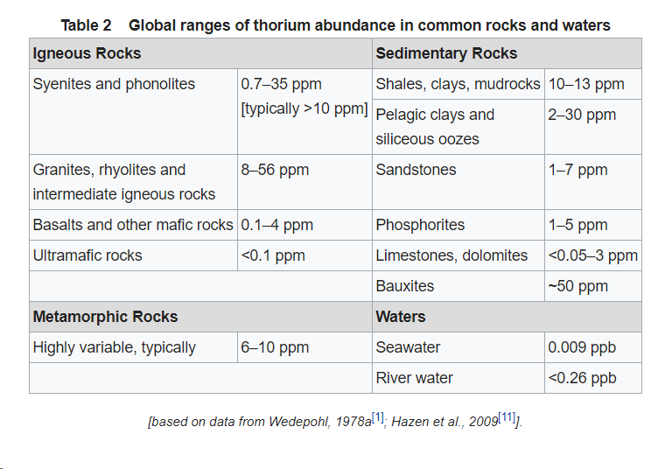
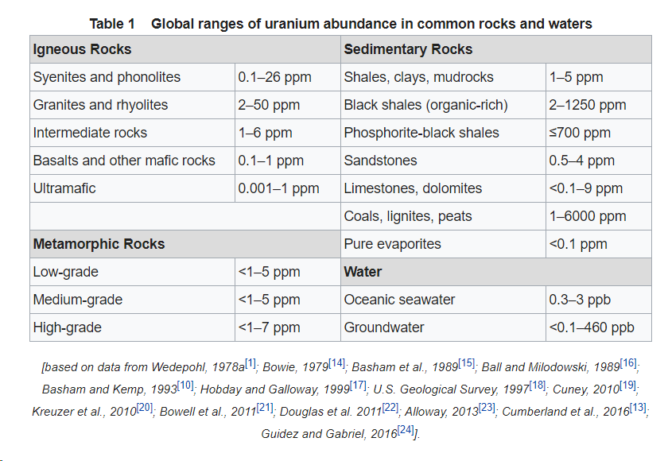
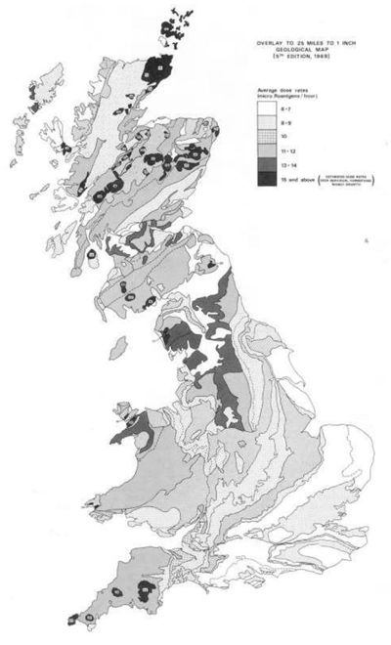

 |  |  |  |  |  |  |  |  |  |  |  |  |  |  |  |  |  |  |  |  |  |  | Sandstone CM | Sandstone PGP | Siltstone CM | Mudstone CM | Limestone | Ironstone | Coal
 |  |  |  |  |  |  |  |  |  |  |  |  |  |  |  |  |  |  |  | Area (m2) | 81584220 | RHP µW/m3 | 0.896 | 0.896 | 1.392 | 1.392 | 2.066 | 0.7 | 0.5
 |  |  |  |  |  |  |  |  |  |  |  |  |  |  |  |  |  |  |  | CARRINGTON 1 | Thickness | Volume | % lithology for each formation
 |  |  |  |  |  |  |  |  |  |  |  |  |  |  |  |  |  |  |  | LOWER COAL MEASURES GROUP | 250 | 20396055000 | 35 |  | 30 | 30 |  | 1 | 5
 |  |  |  |  |  |  |  |  |  |  |  |  |  |  |  |  |  |  |  | PASSAGE FM | 210 | 17132686200 |  | 90 | 5 | 5
 |  |  |  |  |  |  |  |  |  |  |  |  |  |  |  |  |  |  |  | UPPER LIMESTONE FM | 165 | 13461396300 | 39 |  | 20 | 20 | 20 |  | 1
 |  |  |  |  |  |  |  |  |  |  |  |  |  |  |  |  |  |  |  | LIMESTONE COAL | 175 | 14277238500 | 35 |  | 20 | 20 | 20 |  | 5
 |  |  |  |  |  |  |  |  |  |  |  |  |  |  |  |  |  |  |  | LOWER LIMESTONE FM | 85 | 6934658700 | 39 |  | 20 | 20 | 20 |  | 1

 |  |  |  |  |  |  |  |  |  |  |  |  |  |  |  |  |  |  |  | CARRINGTON 1 | Average RHP | Total RHP (W) | Conductivity
 |  |  |  |  |  |  |  |  |  |  |  |  |  |  |  |  |  |  |  | LOWER COAL MEASURES GROUP | 1.181 | 24084 | 1.9
 |  |  |  |  |  |  |  |  |  |  |  |  |  |  |  |  |  |  |  | PASSAGE FM | 0.946 | 16201 | 2.91
 |  |  |  |  |  |  |  |  |  |  |  |  |  |  |  |  |  |  |  | UPPER LIMESTONE FM | 1.324 | 17829 | 2.25
 |  |  |  |  |  |  |  |  |  |  |  |  |  |  |  |  |  |  |  | LIMESTONE COAL | 1.309 | 18683 | 2.24
 |  |  |  |  |  |  |  |  |  |  |  |  |  |  |  |  |  |  |  | LOWER LIMESTONE FM | 1.324 | 9185 | 1.88
 |  |  |  |  |  |  |  |  |  |  |  |  |  |  |  |  |  |  |  | TOTAL | 1.217 | 85981 | 2.2

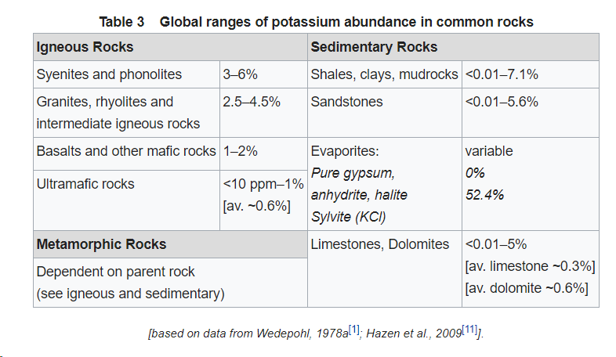
 |  |  |  |  |  |  |  |  |  |  |  |  |  |  |  |  |  |  |  | Table. Average and total radiogenic heat production estimates in the Midlothian coalfield. The average formation conductivity values are from Busby (2019)

 |  |  |  |  |  |  |  |  |  |  |  |  |  |  |  |  |  |  |  |  | 1.216776E-06 | W/m3
 |  |  |  |  |  |  |  |  |  |  |  |  |  |  |  |  |  |  |  |  | 2200000 | m3
 |  |  |  |  |  |  |  |  |  |  |  |  |  |  |  |  |  |  |  |  | 2.6769072 | W

Properties
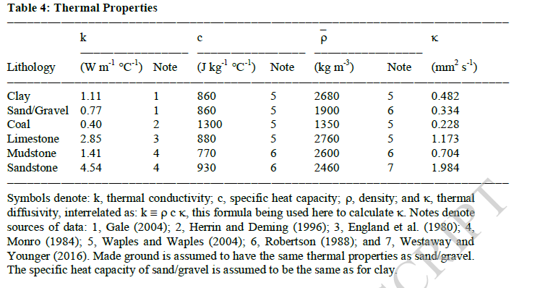
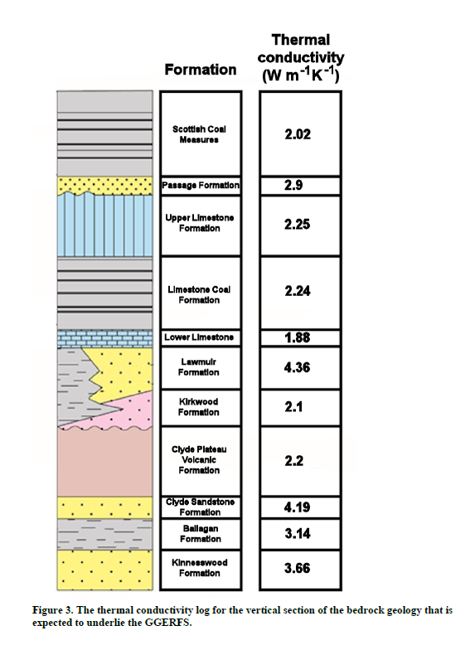
Rock | K of Pennine Coal Measures (Busby, 2019) | Average conductivity from BHs (Busby, 2019) | Average conductivity Hurlet BH (Table 3) | Average conductivity Clachie Bridge BH | Average conductivity maryhill BH
Basalt |  | 2.44 | 2 | 2.13 |  |  |  |  |  |  | thickness | Airdrie 50k GVS | Glasgow 50k GVS | Kth
Dolerite |  | 1.9 |  |  | 1.81 |  |  |  |  | Upper Coal Measures |  | 264 | 100 | 1.91
Tuff |  | 2.15 | 2.35 |  |  |  |  |  |  | Middle Coal Measures | ~350m in Sealab1 BH | 192 | 162 | 2.02
Coal | 0.33 | 0.31 | 0.4 |  |  |  |  |  |  | Lower coal measures | ~220m in Sealab 2 BH | 129 | 105 | 1.91
Clay (Seatclay, Rib) |  | 2.42 | 1.11 |  |  |  |  |  |  | Clackmannan
Fireclay |  | 0.59 |  |  |  |  |  |  |  | Passage Fm | 319 m in Saltgreen No1 | 189 | 78 | 2.91
Mudstone | 1.85 | 1.92 | 1.41 | 2.68 | 1.498 |  |  |  |  | Upper Limestone | 435 m in Mossneuk BH | 294 | 270 | 2.25
Shale (Fakes) |  | 1.5 |  |  |  |  |  |  |  | Limestone Coal | 550m max central coalfield | 345 | 312 | 2.24
Ironstone | 2.35 | 2.35 | 2.85 |  |  |  |  |  |  | Lower Limestone Formation | 240m max east Fife | 180 | 108 | 1.88
Siltstone | 2.23 | 2.26 | 3.02 |  | 2.32 |  |  |  |  | Strathclyde
Limestone / cementstone |  | 3.05 | 2.85 | 2.64 |  |  |  |  |  | West lothian Oil shale Fm (midlothian) - sandstone, siltstone, mudstone + coal, seatrock,limestone/dolomite, ironstone / Aberlady Fm (east lothian) | 134 m at Spilmersford | 192 | 189 | 4.36 (Lawmuir Fm: mudstone, siltstone and sandstone with seatrock, coal and limestone)
Dolomite |  | 4.29 |  |  |  |  |  |  |  |  |  |  |  | 2.1 (Kirkwood: tuffaceous mudstone and tuffs)
Sandstone (Blaes) | 3.58 | 3.96 | 4.54 |  | 4 |  |  |  |  | Gullane Fm (sandstone, mustone and siltstone + coal, seatrock, limestone/dolomite, ironstone) | 132 m at Spilmersford | 66 | 141
Breccia / conglomerate |  | 2.63 |  | 2.63 |  |  |  |  |  | Arthurs seat volcanic fm (midlothian) - mildy alkaline / Garleton Hills Volcanic Fm (east lothian) - in d'Arcy Borehole | 300 max | 804 | 450 | 2.2 (Clyde plateau volcanic fm: alkaline lavas, tuffs and volcanoclastic sedimentary rocks)
Pegmatite |  | 2.79 |  | 2.79 |  |  | Watson and Westaway (2020) |  |  | Inverclyde
sand/soil |  |  | 0.77 |  |  |  |  |  |  | Clyde sandstone Fm | 300 m in Glasgow arez | 90 | 72 | 4.19
clayrock |  |  | 1.05 |  |  |  |  |  |  | Ballagan Fm | 900 m max in West Lothian | 204 | 102 | 3.14
seatrock |  |  | 2.42 |  |  |  |  |  |  | Kinneswood Fm | 640 max (Edinburgh) | 135 | 171 | 3.66
GOAF | 1.7 |  |  |  |  |  |  |  |  |  | Brown et al., 1999
FRACTURES COAL | 0.4
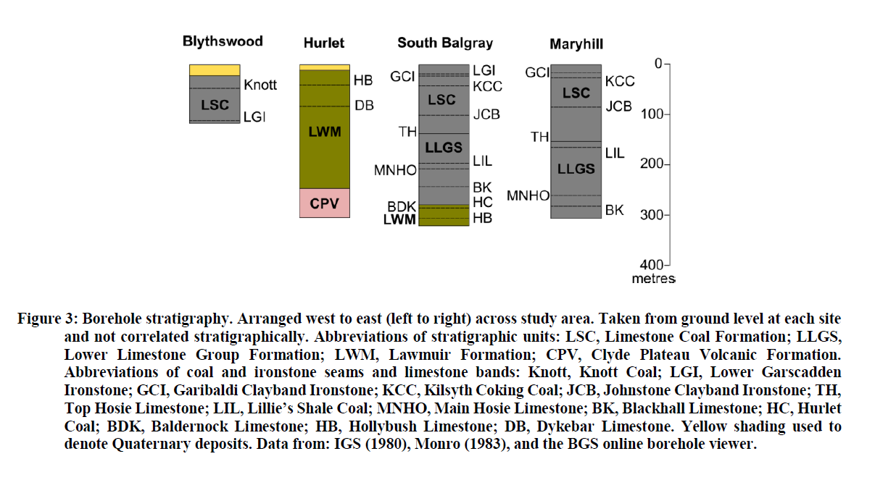
VOID

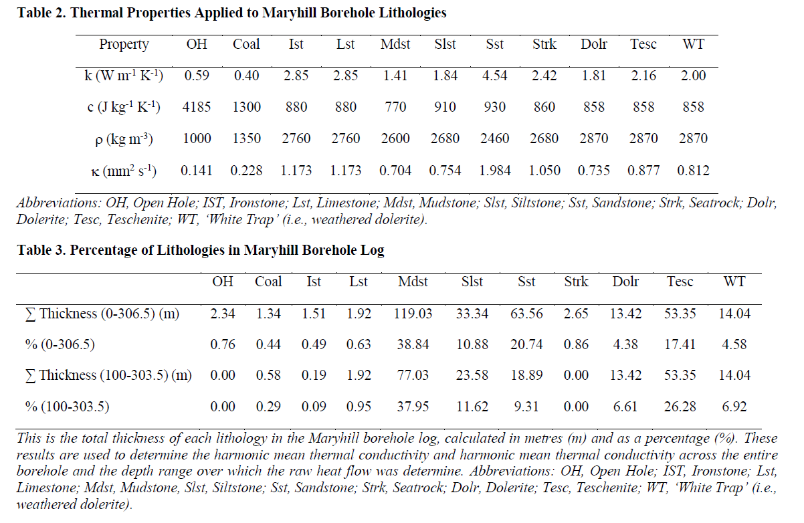
 | Density | Heat Capacity | Source
Basalt | 3000 | 840 | https://rocks.comparenature.com/en/basalt-rock/model-7-0
Dolerite | 2870 | 858
Tuff | 1500 | 200 | https://rocks.comparenature.com/en/tuff-rock/model-96-0
Coal | 1350 | 1300
Clay (Seatclay, Rib) | 2380 | 860 | https://www.engineeringtoolbox.com/thermal-conductivity-d_429.html
Fireclay
Mudstone | 2600 | 770
Shale (Fakes) | 2600 | 390
Ironstone | 2760 | 880
Siltstone | 2680 | 910
Limestone / cementstone | 2760 | 880
Dolomite | 2850 | 920 | https://rocks.comparenature.com/en/dolomite-rock/model-9-0
Sandstone (Blaes) | 2460 | 930
Breccia / conglomerate | 2460 | 930
Pegmatite
sand/soil | 1900 | 860
clayrock | 2450 | 920 | https://academic.oup.com/jge/article/14/4/909/5108056
seatrock | 2680 | 860
GOAF |  |  | https://academic.oup.com/jge/article/14/4/909/5108056
FRACTURES COAL |  |  | https://pubs.usgs.gov/of/1988/0441/report.pdf
Trachyte | 2440 |  | https://rocks.comparenature.com/en/properties-of-trachyte/model-55-6
VOID | 1000 | 4185 |  |  |  |  |  |  |  | Watson 2020
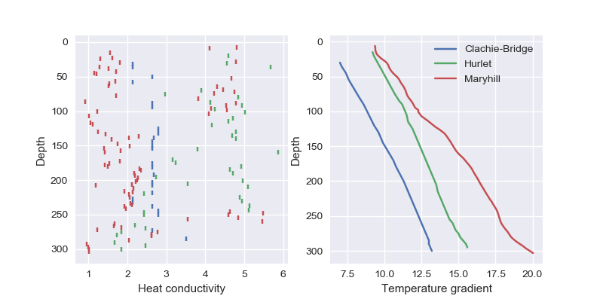
 | RHP (Hasterok et al., 2018) | RHP Villa et al 2010 | RHP Osimobi 2018
Basalt | 0.324
Dolerite | 0.324
Tuff | 0.324
Coal |  |  | 0.5
Clay (Seatclay, Rib)
Fireclay
Mudstone |  | 2.725
Shale (Fakes) | 2.725 |  |  |  | Watson et al 2020
Ironstone |  |  | 0.7
Siltstone |  | 1.44
Limestone / cementstone | 2.513 | 0.93 |  |  |  | lsc | lsc | llgs | llgs
Dolomite |  |  |  |  | oh | 0.76 | 0.97 | 0 | 0.00
Sandstone (Blaes) |  | 0.9 |  |  | coal | 0.44 | 0.56 | 0.29 | 0.43
Breccia / conglomerate |  |  |  |  | ist | 0.49 | 0.63 | 0.09 | 0.13
Pegmatite |  |  |  |  | lst | 0.63 | 0.81 | 0.95 | 1.42
sand/soil | 3.822 |  |  |  | mdst | 38.84 | 49.78 | 37.95 | 56.79
clayrock |  |  |  |  | slst | 10.88 | 13.95 | 11.62 | 17.39
seatrock |  |  |  |  | sst | 20.74 | 26.58 | 9.31 | 13.93
GOAF |  |  |  |  | strk | 0.86 | 1.10 | 0 | 0.00
FRACTURES COAL |  |  |  |  | dolr | 4.38 | 5.61 | 6.61 | 9.89
VOID |  |  |  |  |  | 78.02 | 100 | 66.82 | 100
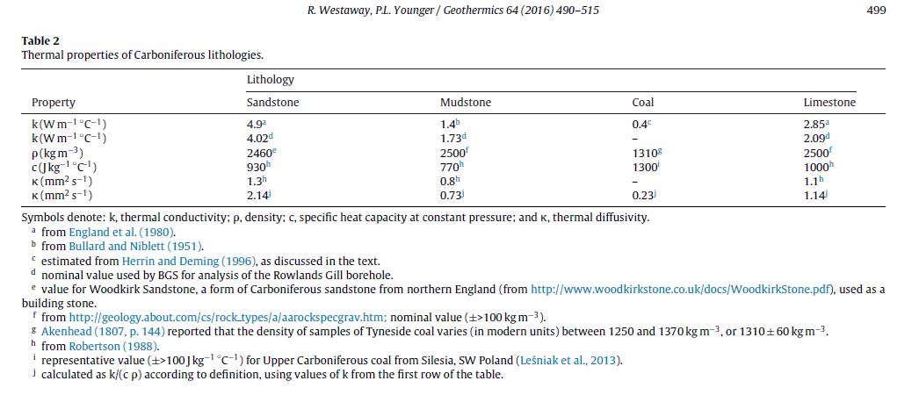

Average permeability Coal Measures | 1e-9 m/s | Whitworth (2002)
Porosity scottish coal measures | 10% | Gillespie, 2013

Sheet1
 |  | Sandstone CM | Siltstone CM | shale | Mudstone CM | Sandstone | Siltstone | (Seat)clay | Mudstone | Limestone | Ironstone | Coal | Dolerite | Average Fm conductivity |  | Average RHP |  |  |  | Thickness (m) | Heat conductivity (W/°Cm)
 | Conductivity | 3.58 | 2.23 | 1.3 | 1.85 | 4.54 | 1.84 | 1.11 | 1.41 | 3.14 | 2.85 | 0.4 | 1.81 | Calculated harmonic mean (W/°C.m) | Busby (2019) | Calculated harmonic mean (µW/m3) |  |  | UPPER/MIDDLE COAL MEASURES | 130 | 2.02
 | RHP | 0.9 | 1.44 | 2.725 | 2.725 | 0.9 | 1.44 | 2.725 | 2.725 | 0.93 | 0.7 | 0.5 | 0.54 |  |  |  |  |  | LOWER COAL MEASURES | 330 | 1.91
 | Thickness | % lithology for each formation |  |  |  |  |  |  |  |  |  |  |  |  |  |  |  |  | PASSAGE FORMATION | 210 | 2.91
1. UPPER/MIDDLE COAL MEASURES* | 130 | 21 | 8 | 17 | 8 |  |  | 4 |  | 24 | 15 | 3 |  | 2.5367 | 2.02 | 1.418 |  |  | UPPER LIMESTONE | 165 | 2.25
2. LOWER COAL MEASURES | 330 | 29 | 5 | 19 | 27 |  |  | 2.9 |  | 0 | 14 | 3 | 0.1 | 2.3412 | 1.91 | 1.018 |  |  | LIMESTONE COAL | 175 | 2.24
3. PASSAGE FM | 210 |  |  | 15 |  | 50 | 0 | 30 | 0 | 3 | 0 | 2 | 0 | 2.9002 | 2.91 | 1.898 |  |  | LOWER LIMESTONE | 85 | 1.88
3. UPPER LIMESTONE | 165 |  |  | 30 |  | 40 | 0 | 10 | 10 | 5 | 0 | 4 | 1 | 2.6491 | 2.25 | 1.800 |  |  |  |  | 2.2
4. LIMESTONE COAL | 175 |  |  |  |  | 26.5 | 14 | 1 | 50 | 1 | 1 | 1 | 5.5 | 2.34025 | 2.24 | 1.959 |  |  |  |  | 0.0567
3. LOWER LIMESTONE FM | 85 |  |  |  |  | 14 | 17 | 0 | 56.5 | 1.5 | 0.5 | 0.5 | 0 | 1.8084 | 1.88 | 1.737
3. WEST LOTHIAN OIL SHALE | 492 |  |  | 15 |  | 28 | 22 | 5 | 22 | 6 | 0 | 2 |  | 2.4331 | 4.36* | 2.054
GULLANE | 593 |  |  | 15 |  | 60 | 15 |  | 5 |  |  |  | 5 |  | 4.36*
ARTHURS SEAT VOLCANIC FM | 70 |  |  |  |  |  |  |  |  |  |  |  |  |  | 2.2**
 |  | Penine CM statistics (GeoIndex LOGS) |  |  | Mackies_Mill / MoncktonHouseB37 |  |  |  |  |  |  |  |  |  | *Lawmuir Fm conductivity
 |  |  |  |  | Maryhill BH |  |  |  |  |  |  |  |  |  | **Clyde Plateau / Kirkwood volcanic Fm Conductivity

Rock percentage: | Total thickness of each formation: | Conductivity: | RHP: |  |  | 100
1 Calculated from %lithologies in Middle Coal Measures from Easington, Chatershaugh (ignore 2. 6 m of Dolerite interesected in Chatersaugh), Houghton, Eldon and Lumley-6 shafts | Carrington-1 borehole (Monaghan and Brown, 2014) | Busby (2019) | Hasterok et al., 2018
2. Calculated from %lithologies in Lower Coal Measures from Ladysmith, Houghton, Eldon and Lumley-6 shafts, adjusted to % Lithology given by Entwisle (2019) | Monckton House Bore 37 |  | Osimobi 2018
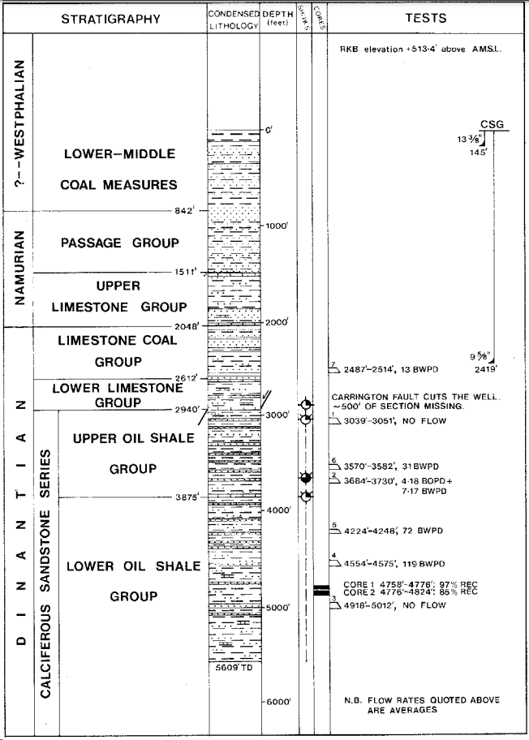
3. Vincent et al. | Midlothian-1 well |  | Vila et al. 2010 |  |  |  |  |  |  |  |  |  |  |  |  | rock | 2.2164840183 | 0.9
4. Calculated from %lithologies in Limestone coal from Moncktonhall and Lady Voctoria shafts | *find source in text |  |  |  |  |  |  |  |  |  |  |  |  |  |  | water | 0.6 | 0.1
 |  |  |  |  |  |  |  |  |  |  |  |  |  |  |  | 2.0548356164

 |  |  | Elevation | 513 | 156.3624 | amsl
 |  |  | L/MCMS | 842 | 256.6416
 |  |  | PGP | 669 | 203.9112 |  |  |  |  |  |  |  |  |  |  | average rock cond | 2.7562578572 | 0.9
 |  |  | ULCS | 535 | 163.068 |  |  |  |  |  |  |  |  |  |  | water | 0.6 | 0.1
 |  |  | LCS | 564 | 171.9072 |  |  |  |  |  |  |  |  |  |  | 2.5406320715
 |  |  | LLCS | 328 | 99.9744 |  |  |  |  |  |  |  |  |  |  | Gradient | 0.025 | 0.063515801787
 |  |  | UP WLO | 935 | 284.988
 |  |  | Low WLO | 1734 | 528.5232
 |  |  |  |  |  |  |  |  |  |  |  |  |  |  |  | borehole | cond | rhp
 |  |  |  |  |  |  |  |  |  |  |  |  |  |  |  | CLACHIE-BRIDGE | 1.9153348678 | 7.08E-07
 |  |  |  |  |  |  |  |  |  |  |  |  |  |  |  | WELLSGREEN | 2.4988293429 | 8.29E-07
 |  |  |  |  |  |  |  |  |  |  |  |  |  |  |  | HURLET | 3.6350714286 | 8.39E-07
 |  |  |  |  |  |  |  |  |  |  |  |  |  |  |  | MARYHILL | 2.0637592968 | 9.58E-07
 |  |  |  |  |  |  |  |  |  |  |  |  |  |  |  | LADY_VICT | 3.1273903262 | 1.00E-06
 |  |  |  |  |  |  |  |  |  |  |  |  |  |  |  | CAMERON | 3.0762307955 | 1.06E-06
 |  |  |  |  |  |  |  |  |  |  |  |  |  |  |  | GLENROTH | 3.3070555303 | 1.08E-06
 |  |  |  |  |  |  |  |  |  |  |  |  |  |  |  | MONKTONHALL | 3.0939180281 | 1.08E-06
 |  |  |  |  |  |  |  |  |  |  |  |  |  |  |  | SPILMERSFORD | 3.3554463879 | 9.02E-07
 |  |  |  |  |  |  |  |  |  |  |  |  |  |  |  | SEAFIELD | 2.220204304 | 1.13E-06
 |  |  |  |  |  |  |  |  |  |  |  |  |  |  |  | AUCHENNIDY | 3.3151532326 | 1.16E-06
 |  |  |  |  |  |  |  |  |  |  |  |  |  |  |  | FRANCES | 1.929673825 | 1.31E-06
 |  |  |  |  |  |  |  |  |  |  |  |  |  |  |  | THORNTON_BRIDGE | 2.9901162836 | 1.34E-06
 |  |  |  |  |  |  |  |  |  |  |  |  |  |  |  | THORNTON_FARM | 2.8559870543 | 1.36E-06
 |  |  |  |  |  |  |  |  |  |  |  |  |  |  |  | SALSBURGH | 2.6703497343 | 1.39E-06
 |  |  |  |  |  |  |  |  |  |  |  |  |  |  |  | MACKIES_MILL | 2.8941776539 | 1.46E-06
 |  |  |  |  |  |  |  |  |  |  |  |  |  |  |  | LOCHHEAD | 3.0219284011 | 1.46E-06
 |  |  |  |  |  |  |  |  |  |  |  |  |  |  |  | MONKTONHOUSEBORE37 | 2.7787479531 | 1.62E-06
 |  |  |  |  |  |  |  |  |  |  |  |  |  |  |  | EASTHOUSES | 2.9978768079 | 1.64E-06
Cousland No1: |  |  |  |  |  |  |  |  |  |  |  |  |  |  |  | PUMPHERSTON | 2.6814125065 | 1.65E-06
Midlothian No1 |  |  |  |  |  |  |  |  |  |  |  |  |  |  |  | SHERIFFALL | 2.9886028987 | 1.68E-06
Queenslie No3 |  |  |  |  |  |  |  |  |  |  |  |  |  |  |  | RANDOLPH | 2.6319653422 | 1.69E-06
Queenslie No6 |  |  |  |  |  |  |  |  |  |  |  |  |  |  |  | BORELAND | 1.9489935548 | 2.50E-06
 |  |  |  |  |  |  |  |  |  |  |  |  |  |  |  | QUEENSLIE | 2.7799825619 | 1.94E-06
 |  |  |  |  |  |  |  |  |  |  |  |  |  |  |  | BILSTON_GLEN | 2.1282383124 | 2.14E-06

 |  |  |  |  |  | https://ukogl.org.uk/map/php/pdf.php?subfolder=industry_reports&filename=41362.pdf

 |  | Sandstone | Siltstone | Seatrock | Mudstone | Limestone | Ironstone | Coal | Dolerite | Total
 | CONDUCTIVITY (W/°C.K) | 4.54 | 1.84 | 2.42 | 1.41 | 2.85 | 2.85 | 0.4 | 1.81 | Heat conductivity (Busby, 2019) | Density | Heat capacity | RHP (µW/m3)
 | DENSITY (kg/m3) | 2460 | 2680 | 2680 | 2600 | 2760 | 2760 | 1350 | 2870
 | HEAT CAPACITY (J/kg.K) | 930 | 910 | 860 | 770 | 880 | 880 | 1300 | 858
 | RHP (µW/m3) | 0.9 | 1.44 | 2.725 | 2.725 | 0.93 | 0.7 | 0.5 | 0.324
 | Thickness | % lithology for each formation |  |  |  |  |  |  |  | Weighted averages
UPPER/MIDDLE COAL MEASURES | 130 | 21 | 8 | 4 | 25 | 24 | 15 | 3 | 0 | 2.02 | 2605 | 877 | 1.43765
LOWER COAL MEASURES | 330 | 29 | 5 | 3 | 45 | 0 | 14 | 3 | 1 | 1.91 | 2553 | 858 | 1.75724
PASSAGE FORMATION | 210 | 50 | 0 | 30 | 15 | 3 | 0 | 2 | 0 | 2.91 | 2534 | 891 | 1.71415
UPPER LIMESTONE | 165 | 40 | 0 | 10 | 40 | 5 | 0 | 4 | 1 | 2.25 | 2513 | 871 | 1.79224
LIMESTONE COAL | 175 | 27 | 14 | 1 | 49 | 1 | 1 | 1 | 6 | 2.24 | 2581 | 846 | 1.84784
LOWER LIMESTONE FM | 85 | 16 | 17 | 0 | 57 | 8 | 1 | 1 | 0 | 1.88 | 2593 | 835 | 2.02845
TOTAL | 1095 |  |  |  |  |  |  |  |  | 2.22 | 2557 | 865 | 1.7518

 |  | Sandstone | Siltstone | Seatrock | Mudstone | Limestone | Ironstone | Coal | Dolerite | Total
 | CONDUCTIVITY (W/°C.K) | 4.54 | 1.84 | 2.42 | 1.41 | 2.85 | 2.85 | 0.4 | 1.81 | Heat conductivity (Busby, 2019) | Density | Heat capacity | RHP (µW/m3) |  | Average Fm conductivity |  | Average RHP
 | DENSITY (kg/m3) | 2460 | 2680 | 2680 | 2600 | 2760 | 2760 | 1350 | 2870 |  |  |  |  |  | Calculated harmonic mean (W/°C.m) | Busby (2019) | Calculated harmonic mean (µW/m3)
 | HEAT CAPACITY (J/kg.K) | 930 | 910 | 860 | 770 | 880 | 880 | 1300 | 858
 | RHP (µW/m3) | 0.9 | 1.44 | 2.725 | 2.725 | 0.93 | 0.7 | 0.5 | 0.324
 | Thickness | % lithology for each formation |  |  |  |  |  |  |  | Weighted averages |  |  |  |  | 2.5367 | 2.02 | 1.4184415
UPPER/MIDDLE COAL MEASURES | 130 | 21 | 8 | 4 | 25 | 24 | 15 | 3 | 0 | 2.02 | 2605 | 877 | 1.43765 |  | 2.3412 | 1.91 | 1.01802
LOWER COAL MEASURES | 330 | 29 | 5 | 3 | 45 | 0 | 14 | 3 | 1 | 1.91 | 2553 | 858 | 1.75724 |  | 2.9002 | 2.91 | 1.898065
PASSAGE FORMATION | 210 | 50 | 0 | 30 | 15 | 3 | 0 | 2 | 0 | 2.91 | 2534 | 891 | 1.71415 |  | 2.6491 | 2.25 | 1.7998455
UPPER LIMESTONE | 165 | 40 | 0 | 10 | 40 | 5 | 0 | 4 | 1 | 2.25 | 2513 | 871 | 1.79224 |  | 2.34025 | 2.24 | 1.95872225
LIMESTONE COAL | 175 | 27 | 14 | 1 | 49 | 1 | 1 | 1 | 6 | 2.24 | 2581 | 846 | 1.84784 |  | 1.8084 | 1.88 | 1.736694
LOWER LIMESTONE FM | 85 | 16 | 17 | 0 | 57 | 8 | 1 | 1 | 0 | 1.88 | 2593 | 835 | 2.02845
TOTAL | 1095 |  |  |  |  |  |  |  |  | 2.22 | 2557 | 865 | 1.7518

 | Heat conductivity (Busby, 2019) | Density | Heat capacity | RHP (µW/m3)
UPPER/MIDDLE COAL MEASURES | 2.02 | 2605 | 877 | 1.43765
LOWER COAL MEASURES | 1.91 | 2553 | 858 | 1.75724
PASSAGE FORMATION | 2.91 | 2534 | 891 | 1.71415
UPPER LIMESTONE | 2.25 | 2513 | 871 | 1.79224
LIMESTONE COAL | 2.24 | 2581 | 846 | 1.84784
LOWER LIMESTONE FM | 1.88 | 2593 | 835 | 2.02845
WEIGHTED QVERQGES | 2.22 | 2557 | 865 | 1.7518402283

